DASHBOARD
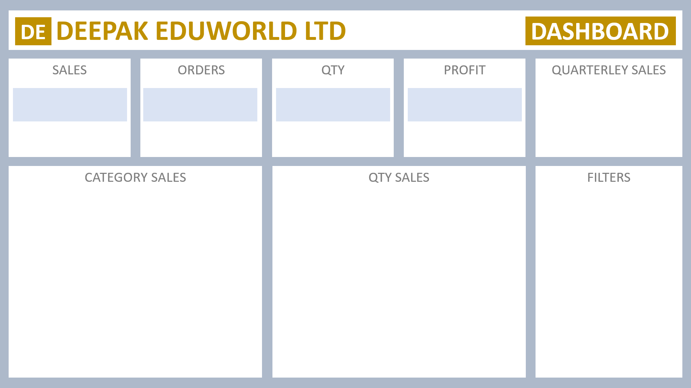

PKR 8,925,312
900
3893.8
PKR 892,531
 | Total
Qtr1 | 2414032
Qtr2 | 2368180
Qtr3 | 3095380
Qtr4 | 1965450

